Sheet1
STYLE# | BUYER | PICTURE | ITEM | FABRICS/ACC/WASH | SPEC/MMT/PLEASE DOWNLOAD LINK /BOM SHEET USING PASSWORD | Factory | FABRICS DETAILS | Fabric CW" | Fabric Consumption/ Yds | Wastage % | Fabric Px/US $ | Lining fabric Cost | Label cost | Trims Cost | Total Cost/$ | FOB PX | Target PX | $DDP | DELIVERY DATE/LEAD TIME | REMARKS
1. DP23508W | Sam’s Club |  | DENIM ROMPER | PLEASE CHECK BOM/YOUR SOURCE | DP23508W.xlsx Password: Z6U5n4KSCy5o https://stevemadden.egnyte.com/dl/qh7jmt6Vj4Wc | Cassepioa/ELEGANT | LIGHT WEIGHT RIGID - INDIGO W/ WHITE FILL 100% COTTON, 9.3 OZ A/W. LIGHT WEIGHT RIGID - PFD VERSION 100% COTTON 8.26 OZ A/W. BRILLIANT WHITE 11-4001 TCX. POCKETING : 100% COTTON |  |  |  | $0.00 | $0.00 | $0.00 | $0.00 | $0.00 | $6.80 | TBA | $0.00
2. DO14252W | Sam’s Club | 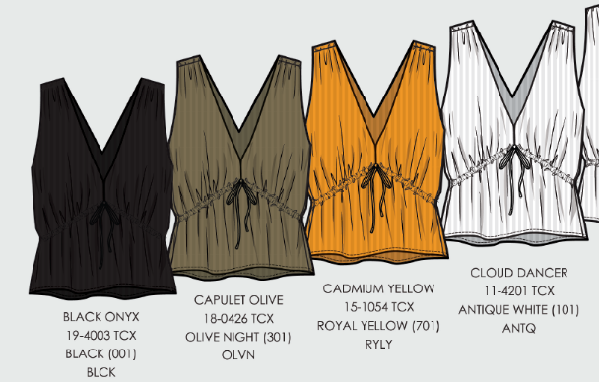 | shadow stripe tie front v-neck | PLEASE CHECK BOM/YOUR SOURCE | DO14252R_SU25_PRODUCTION.xlsx Password: EBeR7rpHK522 https://stevemadden.egnyte.com/dl/jQRTfgrdm9t3 | Cassepioa/ELEGANT | 100% cotton shadow stripe gauze 90gsm 40x30 /64x30 CLOUD DANCER 11-4201 ANTQ CADMIUM YELLOW 15-1054 LINING: 100% cotton lightweight voile |  |  |  | $0.00 | $0.00 | $0.00 | $0.00 | $0.00 | $4.60 | TBA | $0.00
3. DP29222W | Sam’s Club |  | SHADOW STRIPE SKIRT | PLEASE CHECK BOM/YOUR SOURCE | DP29222R_PRODUCTION.xlsx Password: DEiJ2M40Wp2V https://stevemadden.egnyte.com/dl/GrdRxqg4bCg6 | Cassepioa/ELEGANT | 100% cotton shadow stripe gauze 90gsm 40x30 /64x30 CLOUD DANCER 11-4201 ANTQ LINING: 100% cotton lightweight voile |  |  |  | $0.00 | $0.00 | $0.00 | $0.00 | $0.00 | $4.50 | TBA | $0.00
4. BA14002W | Sam’s Club | 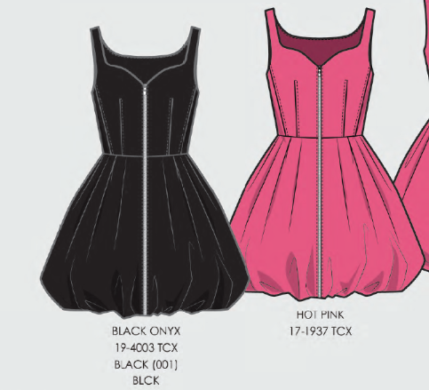 | BUBBLE MINI DRESS | PLEASE CHECK BOM/YOUR SOURCE | BO208402 BUBBLE DRESS_PROD USE ME.xlsx Password: MKIAu6S390rJ https://stevemadden.egnyte.com/dl/P8D6jMwjfFRW | Cassepioa/ELEGANT | STRETCH COTTON POPLIN "97% COTTON, 3% SPAN 125 GSM" 140 CM LINING: STRETCH PONGEE |  |  |  | $0.00 | $0.00 | $0.00 | $0.00 | $0.00 | $5.90 | TBA | $0.00
 | BRAND UP (SG) COSTING

